Sheet1
mV/V to Engineering unit/bit
A to D converter: |  |  | 18 Bit | ADC bit |  | XRS V-Link |  |  | V-Link 200
load capacity of sensor: |  |  | 200 | Engineering unit (EU) |  | 12 and 16 bit |  |  | 18 bit
Sensor Sensitivity @ factory: |  |  | 1.777 | mV/V |  | 3.000 V excitation |  |  | 4.096 excitation
Node Excitation Voltage: |  |  | 4.096 | Volts |  | mV Range | Gain |  | mV Range | Gain
Full load voltage: |  |  | 7.279 | mV (1.777 x 4096) |  | ±70mV | 21 |  | ±156 mV | 16
Optimal gain for full load: |  |  | 343 | 5000/ 14.557(rounded down) |  | ±50mV | 30 |  | ±78.1 mV | 32
User Set Gain: |  |  | ±9.76 mV | Gain = 256 Refer to tables |  | ±20mV | 75 |  | ±39.0 mV | 64
Max Full Scale Input Voltage: |  |  | 19.531 | mV (5000 / 256) |  | ±10mV | 147 |  | ±19.5 mV | 128
Full scale sensor range: |  |  | 536.677 | EU (19.531 x (200 x 2) / (7.279 x 2) |  | ±5mV | 291 |  | ±9.76 mV | 256
Slope: |  |  | 0.002047 | EU/Bit (536.677 / 262144) |  | ±2.5mV | 569 |  | ±4.88 mV | 512
Offset for High-scale: |  |  | 402.51 | Offset for the three scaling levels |  | ±1mV | 1214 |  | ±2.44 mV | 1024
Offset for Mid-scale: |  |  | 268.34 |  |  | ±600µV | 2222 |  | ±1.22 mV | 2056
Offset for Low-scale: |  |  | 134.17 |  |  | ±350µV | 3799
 |  |  |  |  |  | ±100µV | 13074
 |  |  |  | denotes user definable values
 |  |  |  | denotes values to enter into SensorConnect
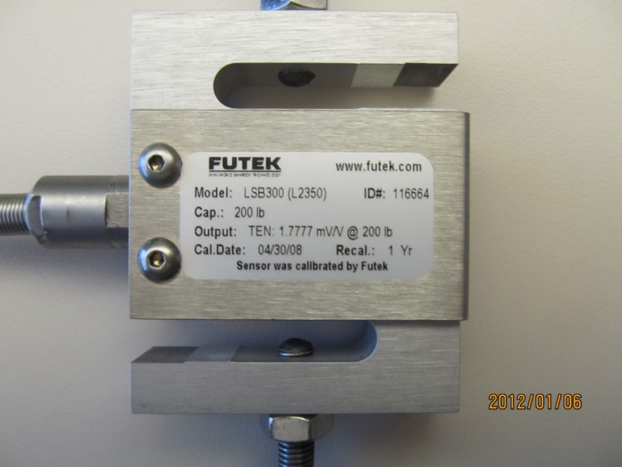
We used a Futek LSB300 loadcell (pictured) for an example of how to use this calculator |  |  |  |  |  | Effective Range
 |  |  |  |  |  | High-scale |  | Mid-scale |  | Low-scale
 |  |  |  |  |  | 134.17 |  | 268.34 |  | 402.51
 |  |  |  |  |  | -402.51 |  | -268.34 |  | -134.17

 |  |  |  |  | 1. Select the resolution of the device A to D converter from drop down list
 |  |  |  |  | 2. Enter the capacity of the sensor (if sensor shows +/- use only the + value)
 |  |  |  |  | 3. Enter the sensors sensitivity (will be shown as mV/V)
 |  |  |  |  | 4. Enter the excitation voltage (3.0V for XRS, 4.096V for V-Link 200, or external set V
 |  |  |  |  | 5. Use the Optimal Set Gain to choose a range/gain from one of the tables. Enter the gain selected into User Set Gain field. Refer to the Effective Range table above to see if a higher gain with low or high scale balancing will accomadate the sensor.

 |  |  |  |  | 6. Enter the Slope in yellow into SensorConnect Slope field
 |  |  |  |  | 7. Enter the offset in yellow that corresponds to the balance level used into SensorConnect offset field

±70mV | 21
±50mV | 30
±20mV | 75
±10mV | 147
±5mV | 291
±2.5mV | 569
±1mV | 1214
±600µV | 2222
±350µV | 3799
±100µV | 13074
±156 mV | 16
±78.1 mV | 32
±39.0 mV | 64
±19.5 mV | 128
±9.76 mV | 256
±4.88 mV | 512
±2.44 mV | 1024
±1.22 mV | 2056

vlink200

12 Bit | vlink
16 Bit | vlink
18 Bit | vlink200

12 Bit | 4096 | 3000
16 Bit | 65536 | 3000
18 Bit | 262144 | 5000

